PDP Checklist READ ME
PDP Checklist READ ME
Always use the latest version.
Why use the PDP Checklist? | #'PDP Checklist READ ME'!C6
Best in Class PDP | #'PDP Checklist READ ME'!C47
Example of Completed Checklist | #'PDP Checklist READ ME'!M47
 | Why use the PDP Checklist? |  | UPDATE TO THE DATA DEF JOB AID / PDP CHECKLIST
 |  |  | The data def job aid and PDP Checklists have now been combined into one file (this file). Future updates to the the Data Definition job aid tab will automatically update the attributes/properties dynamic table on the PDP Checklist. This will ensure all PMs are using up to date product data recommendations during NPI and data def review. Please be sure to always use the latest version of this file
 | WHAT is a 'Digital Checklist'? | The Digital Requirements Checklist is a list of product information data & elements that are required for a 'healthy' digital presence on sigmaaldrich.com; the checklist can also be used to capture data for hand-off to operational resources. The requirements represent product data and elements that appear on a product detail page (PDP), within site search, on a category page, etc.

 | WHO is involved? | PRODUCT MARKETING is responsible for identifying the product data and content to meet the requirements. Product Marketing is the primary audience and expected user group of the Digital Requirements Checklist, responsible for capturing product information and handing over to operational resources for systems updates. OPERATIONAL RESOURCES (e.g. PM Ops, SBS, etc.) are responsible for ensuring product data and content is entered into systems accurately and completely.

 | WHEN is the checklist used? | The Digital Requirements Checklist should be referenced throughout New Product Introduction (NPI), from ideation to systems set up, so that critical product information can be collected and/or generated in accordance with digital best practices.

 | WHERE can I find more support? | The 'Learn More & Best Practices' tab provides a description of each element alongside recommended best practices; additional resources, found on EVA, are also provided. Support can also be provided by Digital Category Management, Product Data team, and the Digital Champions Network.

 | WHY is this so important? | Capturing accurate, complete product information is critical to a PDP's digital health. Launching an NPI with the required product information outlined on the Digital Requirements Checklist will: • Provide product information a customer needs to identify, select & buy a product of interest • Improve product findability within site search • Impact organic search ranking through SEO • Support post-purchase product use • Meet customer expectations of a consistent & intuitive user experience • Better enable scalable acquisition & marketing activities

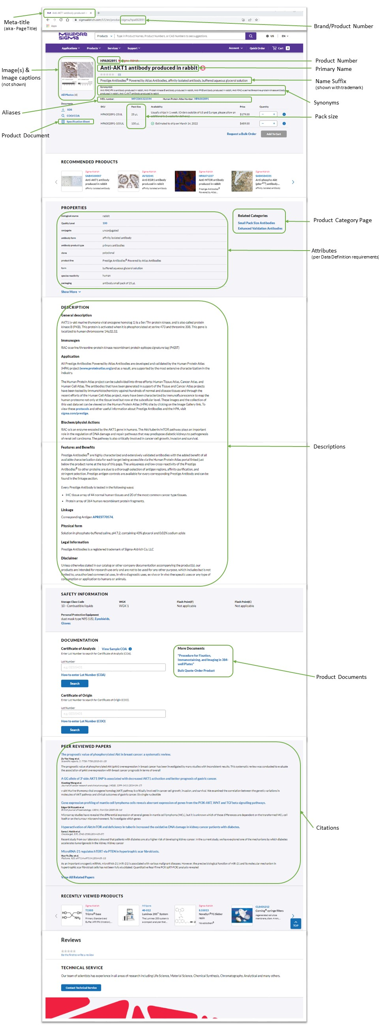
 | Best in Class PDP |  | Example of Completed Checklist:
 | https://www.sigmaaldrich.com/product/sigma/hpa002891 |  | Product Info |  | CorpBase Product Number | learn more | New Product Number, must be same as SAP BISMT. Not always = SKU |  |  | HPA002891
 |  |  |  |  | CorpBase Brand | learn more | CorpBase brand, NOT portfolio brand |  |  | SIGMA
 |  |  |  |  | CorpBase Substance | learn more | If applicable; A CB substance shares attributes & search assortment |  |  | n/a
 |  |  |  |  | Product Group | learn more | antibodies |  |  | <-- 1. Select Product Group
 |  |  |  |  | Product Type | learn more | primary monoclonal |  |  | <-- 2. Select Product Type
 |  |  |  |  | IF PRODUCT GROUP/TYPE DOES NOT EXIST, STOP. CONTACT DCM TO REVIEW DATA DEFINITIONS.

 |  |  | Names |  | Primary name | learn more | Aligns with name in MDGM |  |  | Anti-AKT1 antibody produced in rabbit
 |  |  |  |  | Name suffix | learn more | Auto-populate: Select Attributes & Order below (or enter free text) |  |  | Prestige Antibodies® Powered by Atlas Antibodies, affinity isolated antibody, buffered aqueous glycerol solution
 |  |  |  |  | Synonyms | learn more | Provide at least 1-2 synonyms |  |  | Anti-RAC-PK-α antibody produced in rabbit, Anti-Protein kinase B antibody produced in rabbit, Anti-PKB antibody produced in rabbit, Anti-RAC-α serine/threonine-protein kinase antibody produced in rabbit, Anti-C-AKT antibody produced in rabbit

 |  |  | Properties | Suffix Order | Attributes | Priority | Example Product | Example Data | Facet | Attribute Data/Value:
 |  |  | learn more |  | antibody form | Priority 1 | MAB5608 | ascites fluid | Y | affinity isolated antibody
 |  |  |  |  | biological source | Priority 1 | MAB5608 | mouse | Y | rabbit
 |  |  |  |  | clone | Priority 1 | MAB5608 | GT1b-2b, monoclonal | Y | polyclonal
 |  |  | for more resources: |  | concentration | Priority 2 | M2320 | ~2 mg/mL | N
 |  |  | Data Def Job Aid |  | conjugate | Priority 1 | MABF2815 | unconjugated | Y | unconjugated
 |  |  | Fixed Text Picklist |  | enhanced validation | Priority 2 | AMAB91124 | orthogonal RNAseq | N | orthogonal RNAseq
 |  |  |  |  | form | Priority 1 | GR01 | liquid | Y | buffered aqueous glycerol solution
 |  |  |  |  | Gene Information | Priority 1 | MAB1687 | human ... VIM(7431) | Y | human ... AKT1(207)
 |  |  |  |  | greener alternative category | Priority 3 | 0 | 0 | 0
 |  |  |  |  | greener alternative product characteristics | Priority 3 | 0 | 0 | 0
 |  |  |  |  | immunogen sequence | Priority 3 | AMAB91124 | LNLSSIILDVNQDRLTQRAIEASNAYSRILQAVQAAEDAAGQALQQADHTWATVVRQGLVDRAQQLLANSTALEEAMLQEQQRLGLVWAAL | N | ERTFHVETPEEREEWTTAIQTVADGLKKQEEEEMDFRSGSPSDNSGAEEMEVSLAKPKHRVTMNEFEYLKLLGKGTFGKVILVKEKATGRYYAMKILKKEVIVA,seq:16,language:1,id:
 |  |  |  |  | isotype | Priority 1 | MAB5608 | IgG2b | Y
 |  |  |  |  | manufacturer/tradename | Priority 3 | 0 | 0 | 0
 |  |  |  |  | mol wt | Priority 1 | M2320 | apparent mol wt 280 kDa | N
 |  |  |  |  | NCBI accession no. | Priority 2 | MAB1687 | NM_003380.2 | N
 |  |  |  |  | packaging | Priority 3 | AMAB91124 | antibody small pack of 25 μL | Y | antibody small pack of 25 μL
 |  |  |  |  | product line | Priority 2 | AMAB91124 | Prestige Antibodies® Powered by Atlas Antibodies | Y | Prestige Antibodies® Powered by Atlas Antibodies
 |  |  |  |  | Quality Level | Priority 1 | MAB1687 | 100 | N | 100
 |  |  |  |  | recombinant | Priority 3 | 0 | 0 | 0
 |  |  |  |  | shipped in | Priority 1 | MAB5608 | dry ice | N | wet ice
 |  |  |  |  | species reactivity | Priority 1 | MAB5608 | human, mouse, rat | Y | human
 |  |  |  |  | storage temp. | Priority 1 | AMAB91124 | −20°C | N | −20°C
 |  |  |  |  | technique(s) | Priority 1 | MAB5608 | immunohistochemistry: suitable | Y | immunohistochemistry: 1:50-1:200 immunofluorescence: 0.25-2 μg/mL
 |  |  |  |  | UniProt accession no. | Priority 1 | MAB1687 | P08670 | N | P31749
 |  |  |  |  | Web_Antibody_Research_Area_Dim | Priority 1 | 0 | 0 | Y

 |  |  |  |  | If you need additional custom attributes not on this list, please insert new rows above this line

 |  |  | Trademarks |  | Trademarks | learn more | If applicable; Check Trademark table to see if value already exists |  |  | Prestige Antibodies®

 |  |  | Aliases |  | UNSPSC Code | learn more | Be as specific as possible; look up relevant UNSPSC code |  |  | 12352203

 |  |  | Imagery |  | Product image | learn more | File name(s) |  |  | HPA0029891ev.jpg; HPA002891ihc.jpg; HPA002891ihc2.jpg; HPA002891f.jpg
 |  |  |  |  | Image caption | learn more | One per image, specify file name |  |  | HPA0029891ev.jpg: Enhanced Validation-Orthogonal RNAseq Confirmation: Immunohistochemistry analysis in human seminal vesicle and skeletal muscle tissues using Anti-AKT1 antibody. Corresponding AKT1 RNA-seq data are presented for the same tissues. HPA002891ihc.jpg: Immunohistochemistry: Immunohistochemical staining of human skeletal muscle shows low expression as expected. HPA002891ihc2.jpg: Immunohistochemistry: Immunohistochemical staining of human seminal vesicle shows high expression. HPA002891f.jpg: Immunofluorescence: Immunofluorescent staining of human cell line A-431 shows localization to nucleoplasm and microtubules
 |  |  |  |  | Chemical structure | learn more | If applicable. Provide structure (ChemDraw) to structures@merckgroup.com |  |  | n/a

 |  |  | Packaging |  | Pack size (displayed in P&A) | learn more | Provide pack size for each material/SKU |  |  | 25uL, 100uL

 |  |  | Descriptions |  | Enter the following prioritized description types at a minimum; additional descriptions can be entered
 |  |  |  |  | General Description | learn more | Required |  |  | AKT1 (v-akt murine thymoma viral oncogene homolog 1) is a Ser/Thr protein kinase, and is also called protein kinase B (PKB). This protein is activated when it is phosphorylated at serine 473 and threonine 308. This gene is localized to human chromosome 14q32.32.
 |  |  |  |  | Application |  | Required |  |  | All Prestige Antibodies Powered by Atlas Antibodies are developed and validated by the Human Protein Atlas (HPA) project (www.proteinatlas.org)and as a result, are supported by the most extensive characterization in the industry. The Human Protein Atlas project can be subdivided into three efforts: Human Tissue Atlas, Cancer Atlas, and Human Cell Atlas. The antibodies that have been generated in support of the Tissue and Cancer Atlas projects have been tested by immunohistochemistry against hundreds of normal and disease tissues and through the recent efforts of the Human Cell Atlas project, many have been characterized by immunofluorescence to map the human proteome not only at the tissue level but now at the subcellular level. These images and the collection of this vast data set can be viewed on the Human Protein Atlas (HPA) site by clicking on the Image Gallery link. To view these protocols and other useful information about Prestige Antibodies and the HPA, visit sigma.com/prestige.
 |  |  |  |  | Features & Benefits |  | Required (if applicable) |  |  | Prestige Antibodies® are highly characterized and extensively validated antibodies with the added benefit of all available characterization data for each target being accessible via the Human Protein Atlas portal linked just below the product name at the top of this page. The uniqueness and low cross-reactivity of the Prestige Antibodies® to other proteins are due to a thorough selection of antigen regions, affinity purification, and stringent selection. Prestige antigen controls are available for every corresponding Prestige Antibody and can be found in the linkage section. Every Prestige Antibody is tested in the following ways: IHC tissue array of 44 normal human tissues and 20 of the most common cancer type tissues. Protein array of 364 human recombinant protein fragments.
 |  |  |  |  | Immunogen |  | Optional |  |  | RAC-α serine/threonine-protein kinase recombinant protein epitope signature tag (PrEST)
 |  |  |  |  | Linkage |  | Optional |  |  | Corresponding Antigen APREST70574.
 |  |  |  |  | Add'l Product Description #3... |  | Optional

 |  |  | Documentation |  | Product documents | learn more | List the documents to be uploaded. Include .file extension |  |  | Will need a procedure ("Procedure for Fixation, Immunostaining, and Imaging in 384-well Plates")

 |  |  | Peer Reviewed Papers |  | Citations | learn more | Provide as PMIDs |  |  | 24737346, 25582346, 16098065, 24797175, 24817011

 |  |  | Related Products |  | Related products | learn more | Enter CorpBase Product number + brand (#### SIGMA) |  |  | N/A | See Related Products for F2442 for an example -->

 |  |  | Digital Optimization |  | Keywords | learn more | Not customer-facing |  |  | RAC, protein kinase B, PKB
 |  |  |  |  | Meta title | learn more | 55-65 characters (Cell will be blue), Count: 26 |  |  | Anti-AKT1 antibody, rabbit | Should be between 55-65 characters
 |  |  |  |  | Meta description | learn more | 120-156 characters (Cell will be blue), Count: 88 |  |  | Prestige Antibodies® Anti-AKT1 antibody produced in rabbit features enhanced validation. | Should be between 120-156 characters
 |  |  |  |  | Product Category page | learn more | Existing category page title |  |  | Fetal Bovine Serum (FBS), Sera
 |  |  |  |  | Call to Action | learn more | Select 1 "Request a Bulk Order" AND/OR 1 Additional |  |  | Request a Bulk Order
 |  |  |  |  | Legacy Legal Entity | learn more | Default "Merck/Sigma-Aldrich" to enable Product on ALL sites |  |  | Merck/Sigma-Aldrich

Learn More & Support
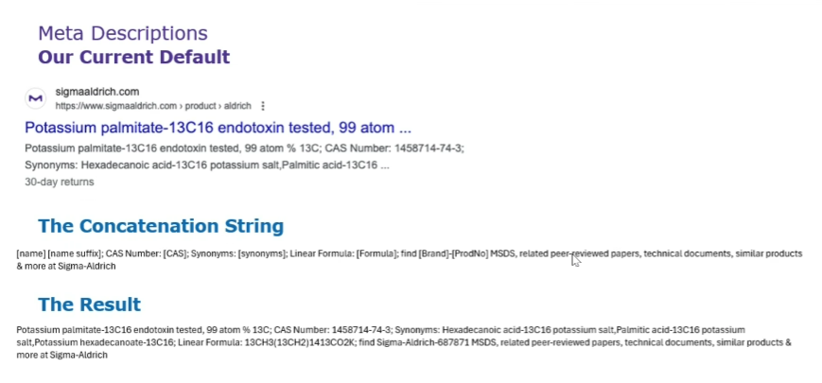
Section | Required element / *required if applicable | Description/Definition | Best Practice | More Information | Who can I reach out to for Support?
Product Structure | CorpBase Product Number | The Corpbase product number appears in the header of the product detail page (PDP) as well as in the page URL. This number is not the full SAP material (SKU) number (e.g. XXXX-25MG), but rather is the 'base' product number, which is captured in SAP as the 'old material number' (BISMT). | CorpBase product number should match the SAP BISMT in PRD, PRE, and PRP; Ensure that the BISMT/brand combination is unique and available in Corpbase | Product Numbers (EVA) | DCM (Consultation)
Product Structure | CorpBase Brand | The CorpBase brand is not the Portfolio Brand; rather, it is a value that aligns with SAP master data. The CorpBase brand appears in the PDP URL. | CorpBase brand should match SAP PRD/PRE Division (SPART) and PRP (Brand_ID); Ensure that the BISMT/brand combination is unique and available in Corpbase | CorpBase and Portfolio Brands (EVA) | DCM (Consultation)
Product Structure | CorpBase Substance | To group similar products under the same primary name. | Use a substance when all products share intrinsic properties, like a primary name or a unique identifier (e.g. CAS number), or when products should be "rolled up" in site search results. | Substance & Product Level (EVA) | DCM (Consultation)
Product Structure | Product Group | Select a Product Group from the Data Definition Job Aid | In the job aid, 1) filter results for the product group and product type of the NPI, 2) select the Properties (attributes) listed as required, 3) paste the Properties into column B of this checklist, then 4) enter product-specific values in Input column | Data Definition (EVA) | DCM (Consultation)
Product Structure | Product Type | The Product Type attribute captures data describing "what it is" for a product and is associated with the product categorization/data definition group. This data is displayed in the 'Product Category' facet (filter) on site search results and on category pages, allowing a customer to refine a set of search results by the type of product they are interested in. | A product type value should describe "what it is", without being so specific or narrow that other products are excluded. Examples: syringe filter, antibody, culture media, solvent, etc. Reference the existing list of product type values when identifying the product type; if a value does not exist, consult Digital Category Management for assistance. | Data Definition (EVA) | DCM (Consultation)
Names | Primary name | A product's primary name appears as the H1 on the product detail page, as the primary designator on site search results and on category pages, and is printed on labels generated from SAP. This name should align with the product name in MDGM. | The primary name should be created with consideration of customer language and search behavior. If a product is added to an existing substance, it will inherit a name automatically. | Product Name and Suffix (EVA) | SBS review (quality check)
Names | Name suffix | A product name suffix is a sub-heading (H2) of the primary product name. A relevant name suffix is an important SEO element, contributes to findability in site search (displays as 'Description' in main site search and is concatenated with the primary name in category page product tables) and allows customers to differentiate between products with the same primary name. | To maintain data continuity, a name suffix should be "built" from attribute data designated in the product data definition (see 'Attributes' section below). Note that the name suffix will print on labels for products manufactured/packaged out of SAP. For custom name suffixes, enter free text (which will be loaded as ID_Clarifier) | Product Name and Suffix (EVA) | SBS review (quality check)
Names | Synonyms | Synonyms are additional names, beyond the primary product name, that the product may be known as. Synonyms are an important SEO element and impact the relevancy of site search results. | A product should have a minimum of 1-2 synonyms that represent what a customer would call the product, not parsed data (e.g. a synonym for Anti-NFE2L2 antibody should be 'Anti-NRF2', not 'NRF2'). Synonyms should represent customer language - what customers call the product; synonyms can be identified from search data, VOC, literature, vendor-provided information, etc. | Product Name and Suffix (EVA) | SBS assistance
Names | Trademarks | Trademarks may appear in product data, including a product's primary name, name suffix, description, etc.; trademarks must be esablished in CorpBase in order to be used in product data. |  | Trademarks (EVA) | DCM (Consultation)
Aliases | UNSPSC code | United Nations Standard Products and Services Code (UNSPSC) is a 4-5 level taxonomy of products and services for use in eCommerce. This categorization code is critical for B2B customers; products missing these data may be removed from B2B catalogs or downgraded in B2B search results | Assign a code that is as specific as possible (in the lower levels of the taxonomy). https://www.ungm.org/Public/UNSPSC https://www.unspsc.org/library | Aliases (EVA) | SBS assistance
Imagery | Product Image | Relevant product imagery is important product information that helps a customer to identify & select a product of interest, set expectations for what will be received upon order, and for post-purchase product use. The image displays on the PDP; if a product image is not provided, the space is filled with a generic vibrant M. | Imagery best practices, including imagery standards, what makes a good image, image specifications, etc. are described in depth on EVA. A PDP may contain multiple images; display order (sequence) must be defined if multiple images are submitted for a given product. | Images (EVA) | SBS assistance
Imagery | Image caption | Captions are text descriptions of images. Captions provide more information for a product image and are important for accessibility. | Image caption should be relevant, descriptive, and provide additional supporting information. If the same image is being used for multiple products, ensure the caption is applicable to all products. | Images (EVA) | SBS review (quality check)
Imagery | Chemical structure |  | If applicable. Provide the structure (ChemDraw) to structures@merckgroup.com during NPI |  | PM Only
Packaging | Pack size (displayed in P&A) | Pack size information displays in the Pricing & Availability clip; gives a quick view of the quantity of product for a given SKU size. | Pack size should represent the total quantity of the material, not the full packaging specs (e.g. "25uL", not "25uL in an amber vial") | Pack size data (EVA) | PM Only
Properties | Attributes | Attributes are characteristics of a product that are captured as structured data in CorpBase and displayed on PDPs as "Properties". Attributes captured for a new product should represent the information that a customer needs to identify, select, order, or use a product, and should consistently be captured across a product group (product category or product type). The set of required attributes for a product group is known as 'data definition'. Attribute data, structured precisely in Corpbase, also drives facets that display on site search results and category pages. This is another reason why complete, standardized attribute data is critical. | Reference the 'NPI Data Definition Process' tab for a full workflow and RACI. Reference the 'Data Definition Job Aid' for required attributes by product group. A new product should first be categorized (identify the product group/type of the product) before the required attributes can be identified. Once categorized, use the Merchandising Scorecard and the Data Definition Job Aid, which document existing data definitions, to identify the web product data that is needed. For each required attribute, provide accurate, customer-facing data, referencing the existing list of attribute values ('picklist values') to ensure that data structure is maintained. If a product group, data definition, or picklist value does not exist, consult Digital Category Management for assistance. | Data Definition (Confluence) | DCM/SBS support (data mining, gap filling, etc)
Descriptions | Descriptions | Description text appears in the "Descriptions" section of the PDP and provides additional product information to customers for use in product selection and post-purchase use. Descriptions are also important SEO elements. There are many different description types, which appear as sub-headings on the PDP; all descriptions are free-text fields. |  | Descriptions (EVA) | SBS assistance (data mining/proposal with PM approval)
Documentation | Product documents | Product technical and marketing documents provide supporting product information that can assist a customer in product selection and use. Technical documents include user guides, product information sheets, data sheets, and technical bulletins, etc. Marketing documents include flyers, brochures, gated content, etc. Technical and marketing documents are maintained in the digital asset management (DAM) system; this excludes safety and quality documents (e.g. SDS, CoA, CoO). |  | Documentation Overview (EVA) | PM Only
Peer Reviewed Papers | Citations | Citing peer reviewed publications that use a product can provide a social proof point to customers as well as providing additional content about the product's use. | Citations should be relevant to the product and provided as PMID numbers. | Citations and peer reviewed papers (EVA) | SBS assistance
Related Products | Related products | A curated list of related products can provide customers insight into additional relevant products, such as products that are "required but not included", accessories or consumables, replacements or recommended products, etc. | Indicate the relationship of products (e.g. "recommended with", "for use with", etc.) and the directionality of the relationship (e.g. product X is related to product Y unidirectionally, or product X and product Y are related to each other bidirectionally). There is a Maximum number of related products allowed. | Related Products (EVA) | PM Only (SBS can review post launch)
Digital Optimization | Keywords | Keywords contribute to relevancy of site search results, but they do not publish on the PDP (are not customer-facing). | Keywords should be relevant to the product and represent words or terms that a customer might search when looking for the product. Do not include keywords that would result in a customer seeing irrelevant or erroneous products in a search. |  | SBS review (quality check)
Digital Optimization | Meta title | Meta title (title tag) is text that displays in external search engine (e.g. Google) results and browser tabs for a webpage. A custom meta title offers an opportunity to provide more relevant information/positioning to customers and is an important SEO element. | Existing PDP data (e.g. primary name, CAS #, etc.) is used when custom meta title has not been captured. When crafting a custom meta title, include keywords identified from search data to reflect the words and behaviors of customers. Custom meta titles should be 55-65 characters long and include the core keyword​. Must be unique (do not duplicate on other pages) |  | SBS review (quality check)
Digital Optimization | Meta description | Meta description is the brief summary text that displays in external search engine (e.g. Google) results for a webpage. The text should give a customer an idea of the content that is on the page. Meta description is an important SEO element. | Existing PDP data is used when custom meta description has not been captured. When crafting a custom meta description, it should be <200 characters long and use relevant keywords. Ensure that it aligns with on-page content. Summarize and accurately describe the content the user will find on the page and provide motivation to read it (a CTA – Call To Action)​. Must be unique (do not duplicate on other pages) |  | SBS review (quality check)
Digital Optimization | Product Category page | Products may be included on Product Category Pages, which present a key group of related products and supporting content to allow customers to compare, select & order products of interest. | Product Category Pages are not a comprehensive product taxonomy, so not all products will appear on a category page. Products should be added to existing category pages only when relevant; discussion with all impacted business stakeholders should precede product addition. New category page requests must go through Marcom. | Product Category (EVA) | SBS review (quality check)
Digital Optimization | Call to Action | Call to Actions (CTAs) are buttons on the P&A clip which direct the customer to a sigmaaldrich.com lead generation form. The CTA information is stored in CorpBase. | A given PDP can have one “Request a Bulk Order” CTA, and one additional non-Bulk CTA for a maximum of two CTAs. If you do not want a “Request a Bulk Order” CTA, you can have a maximum of one CTA. See EVA page for full list of options, and instructions on how to fill out the template and work with DCM to load. | Call to Action (CTAs) Button (EVA) | PM Only
Digital Optimization | Legacy Legal Entity | This field should be reviewed depending on if you want a product to be available on the sigmaaldrich.com AND/OR sigmaaldrich.cn (China only) & other consolidated websites. For example, if the value is left blank, it is going to default to "Sigma-Aldrich" (showing in the SIAL.com and not .cn (China only). For NPI, make sure it’s Sigma-Aldrich or Merck/Sigma-Aldrich; unless you are directed otherwise for Blue China BoR only, then it’s Merck. Unless there is a specific reason not to sell in China, our suggestion is to use Merck/Sigma-Aldrich. If there are any compliance or sales blocks those will be put in place to prevent these products from being sold on sigmaaldrich.cn. | Please use Merck/Sigma-Aldrich unless directly otherwise. |  | DCM

Operational Resources
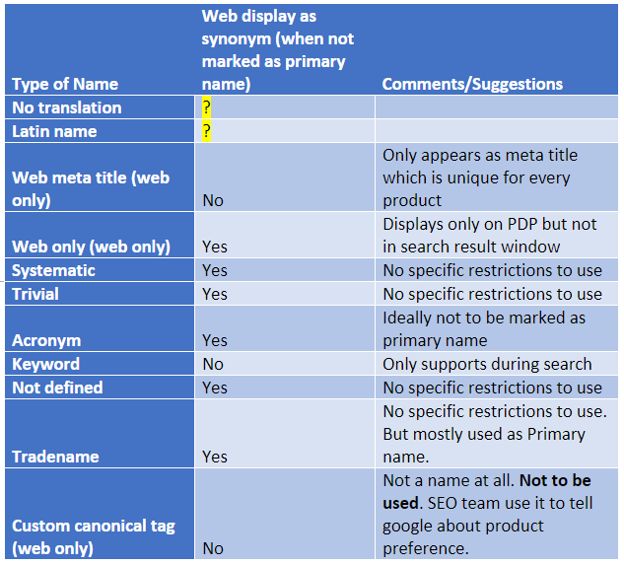
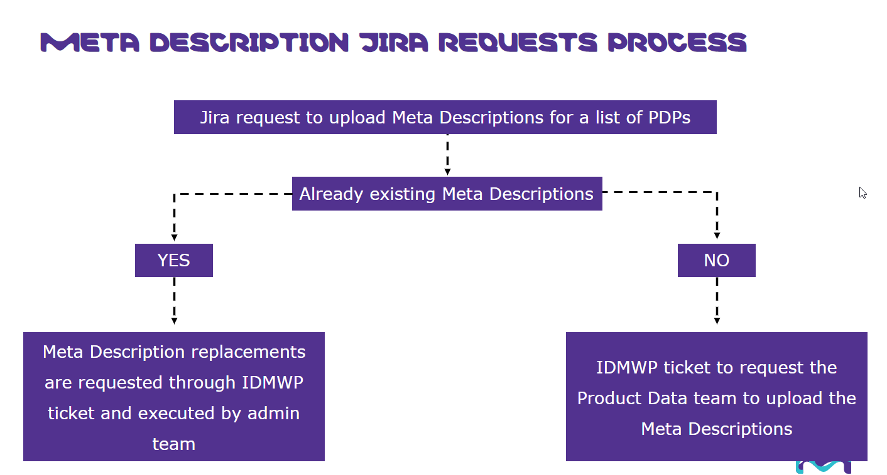
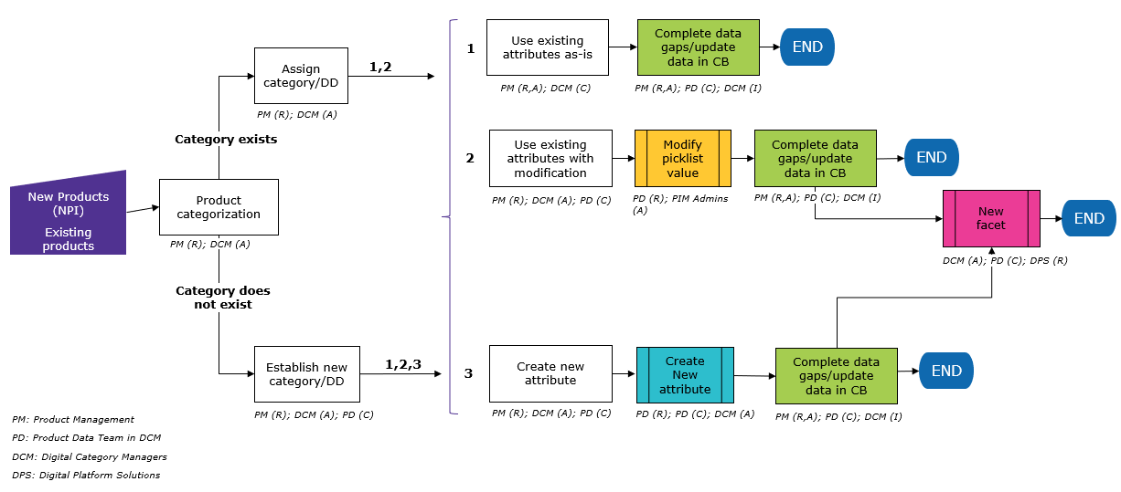
Operations READ ME
Always use the latest version. | Why use the Data Def Job Aid? |  | How to use data from PDP Checklist |  |  |  |  |  | How to do CorpBase pre-check? |  | Product data on product labels |  |  | YYD_LSIND must match CorpBase product number; YYD_LSWEB must match CorpBase BRAND |  |  |  |  |  |  |  | CB Synonym Web Display (and Meta Description JIRA requests) | Data Def Workflow | Call to Action Button Options | Helpful Links
Why use the Data Def Job Aid | WHAT is the Data Definition job aid? | The Data Definition job aid outlines the required attribute data (data definition schema) for different product groups. | Section | Product Information Element | More Info & Best Practices | Quick Notes for Operations | How to Implement (Responsible/Accountable: NPI Ops, PM Ops, SBS, etc.) | Watch-outs & Best practices | Method 1: PIM client | https://pim.milliporesigma.io/ | Labels. CorpBase feeds some data to labels such as name, name suffix, CAS number, linear chemical formula, hill notation, Enzyme Commission number, |  |  | CorpBase BRAND_ID | CorpBase BRAND_TEXT | CorpBase BRAND_SHORT | CorpBase BRAND_DISPLAY | Notes | PRD Division (SPART) | PRE Division (SPART) | PRP Brand_ID |  |  | Request a Bulk Order | Product Data EVA Room
How to use data from PDP Checklist |  |  | Product Info | CorpBase Product Number | learn more | SAP BISMT must match CorpBase Product Number; 1 BISMT can have many SKUs on the same PDP page | Batchloader / CorpBase Client | Product must be created in SAP (can be done in parallel). CorpBase product number (and SAP BISMT) should NOT be SKU-specific. Confirm with PM if they enter a SKU as a Product Number, instead of creating one Product Number, with multiple SKUs that share data. |  | Enter the CorpBase product number (a.k.a. old material number, BISMT) into the PIM | Color Index Number, chemical name synonyms, storage temperature, molecular weight, molecular weight (Daltons) melting point, boiling point, density, |  |  | 20 | SIAL | 1 | Sigma-Aldrich |  | 12, 14 | 12, 14 | SA |  |  | Request a Bulk Order & Request more information | Digital Category Management EVA room
Pre-Check | WHO is involved? | PRODUCT MANAGERS can use the job aid to identify/provide the attributes required (columns A-E) during NPI or product data enhancement/clean-up. |  |  |  |  |  |  |  | If nothing returns, then the product number is available to use. | refractive index, vapor pressure |  |  | 22 | VETEC | V | Vetec |  | V4, V8 | V4, V8 | VT |  |  | Request a Bulk Order & Request a Sample | Data Definition Job Aid in Confluence
Product data on product labels |  | OPERATIONAL RESOURCES can use the job aid (columns F-H) to understand how to enter data in the correct Corpbase location. |  |  |  |  |  |  |  |  |  |  |  | 21 | SAJ | J | SAJ |  | J8 | J8 |  |  |  | Request a Bulk Order & Request a Demo | CorpBase Training Videos
Brand Match |  |  |  |  |  |  |  |  |  |  | This data feeds into an SAP table called ZEHS_MKT_ATTRIB every day through a cron job at 2 AM CST. Products that are marked “Not Ready” will not have |  |  | 50 | USP | X | USP |  | X2 | X2 | US |  |  | Request more information | DCM scorecard
CB Synonym Web Display | WHERE can I find what I'm looking for? | Column A-->E: Data Definition Schemas established by the DCM team |  | CorpBase Brand | learn more | SAP Brand must match CorpBase Brand: PRD/PRE Division (SPART); PRP Brand (BRAND_ID) | Batchloader / CorpBase Client | Product must be created in SAP (can be done in parallel) |  |  | data flow into this table and if there is a brand mismatch between this table and CorpBase, updates will not happen either. |  |  | 23 | ROCHE | K | Roche |  | K5 | K5 | RO |  |  | Request a Sample
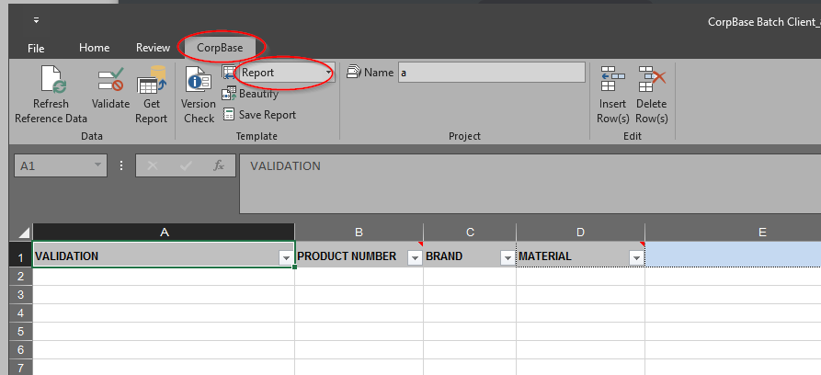
Data Def Workflow |  | Column F-->H: How to enter the product data using the CorpBase batchloader |  | CorpBase Substance | learn more | To group similar products in a substance, they must share the same primary name; new products can be assigned into new or existing substances | Batchloader / CorpBase Client |  | Method 2: CorpBase | Open the batchloader: https://go.sial.com/Citrix/1912CU1PRODWeb/ |  |  |  | 24 | PM | P | Performance Materials |  | A2, A4 | A2, A4 |  |  |  | Request a Demo | Batchflow
Call to Action Button Options |  | Column I-->J: Example product number and data |  | Product Group | learn more | stable isotopes | Batchloader / CorpBase Client | During batchloader request to Product Data, indicate selected Product Group | batchloader (Report) | Download the latest version | The product data team can assist with changing data that touches the label but if it outside of that it is not our responsibility. |  |  | 9 | Obsolete | 9 | Genosys | Not available in BatchLoader |  |  |  |  |  |  | NPDI
Helpful Links |  | Coumn K-->N: facet related data fields |  | Product Type | learn more | various | Batchloader / CorpBase Client | During batchloader request to Product Data, indicate selected Product Type |  | Open the batchloader in Citrix; go to the CorpBase tab; Drop down and select Report | We cannot trouble shoot the SAP tables or templates. |  |  | 60 | SIGALD | Q | Sigma-Aldrich |  | Q4, Q8 | Q4, Q8 | SG |  |  |  | BPM
 |  |  | IF PRODUCT GROUP/TYPE DOES NOT EXIST, STOP. CONTACT DCM TO REVIEW DATA DEFINITIONS. |  |  |  |  | Confirm PM has used Data Definition job aid and/or worked with Digital Category Management or Product Data |  | Enter CorpBase product number and brand; Select Primary Name; click Get Report |  |  |  | 70 | HONEYWELL | H | Honeywell | Not available in BatchLoader | H9 | H9 | HW |  |  |  | Static Content/Blue PDP STEP/Page Edits
 | WHEN is the job aid used? | During NPI and product data enhancement (clean-up), to identify the required attributes and to ensure data is correctly added to systems. |  |  |  |  |  |  |  | If nothing shows up under Primary Name, then the product number and brand combo can be used. | The following table was provided by SAP IT (Pradeep) for all fields that can possibly be included on a label. |  |  | 80 | BANDJ | B | Burdick & Jackson | Not available in BatchLoader
 |  |  |  |  |  |  |  |  |  | This function can be done in batch for a list of CorpBase product numbers. | Assay | Enzyme Commision number | Name Suffix | 81 | AVANTI | T | Avanti |  | T2 | T2 | AV |  |  |  | How to request a new Trademark addition to CorpBase?
 | WHY is this so important? | The job aid will help to ensure that products appear on the web with a complete & standardized set of product data, | Names | Primary name | learn more | CorpBase primary name should match ERP and MDGM product name | Batchloader / CorpBase Client | Primary Name Flag should be marked for the chosen name |  |  | Boiling point | Hill notation of chemical formula | Primary Name | 1 | SIGMA | S | Sigma |  | S2, S4, S8 | S2, S4, S8 | SI |  |  |  | CorpBase HelpDesk and CorpBase Graphics
 |  | which will improve product findability (surfacing products in search, enabling facets), present relevant data on a PDP, drive SEO, etc. |  | Name suffix | learn more | Emphasize use of existing Attributes & Order (see below) in CB over free text/ID clarifier | Batchloader / CorpBase Client | Emphasize that it is not best practice to use ID clarifier for name suffix |  |  | CAS number | Linear chemical formula | Product storage temperature | 2 | ALDRICH | A | Aldrich |  | A2, A4 | A2, A4 | AL |  |  |  | CorpBase Graphics Object Load Template
 |  |  |  | Synonyms | learn more | These are additional names the product may be known as; These are simply names loaded without marking as primary. | Batchloader / CorpBase Client | Should not be marked "primary"; |  |  | Chemical name synonyms | Melting point | Refractive index | 3 | FLUKA | F | Fluka | Not available in BatchLoader |  |  |  |  |  |  | Citations Form
 | HOW do I use the job aid? | STEP 1: Filter by 'data_definition_product_group' to identify top level product categorization |  |  |  |  |  | should be unique from product's primary name |  |  | Colour Index Number | Molecular weight (daltons) | Vapor Pressure | 4 | RIEDEL | R | Riedel-de-Haen | Not available in BatchLoader |  |  |  |  |  |  | Package Literals Template
 |  | STEP 2: Filter by 'data_definition_product_type' to identify next level of product categorization |  |  |  |  |  |  |  |  | Density | Molecular weight |  | 5 | SUPELCO | U | Supelco |  | U2 | U2 | SU
 |  | STEP 3: View required attributes (Attribute web_label) and priority assignment | Properties | Attributes | learn more | Fixed Text Picklist | Data Definition Job Aid in Confluence | Reference data definition job aid for required fields |  |  |  |  |  | 6 | DIAG | D | Sigma | Not available in BatchLoader
 |  | Priorities: |  |  |  |  |  |  |  |  | PIM label data preview: |  |  | 16 | GENOSYS | G | Sigma | Not available in BatchLoader
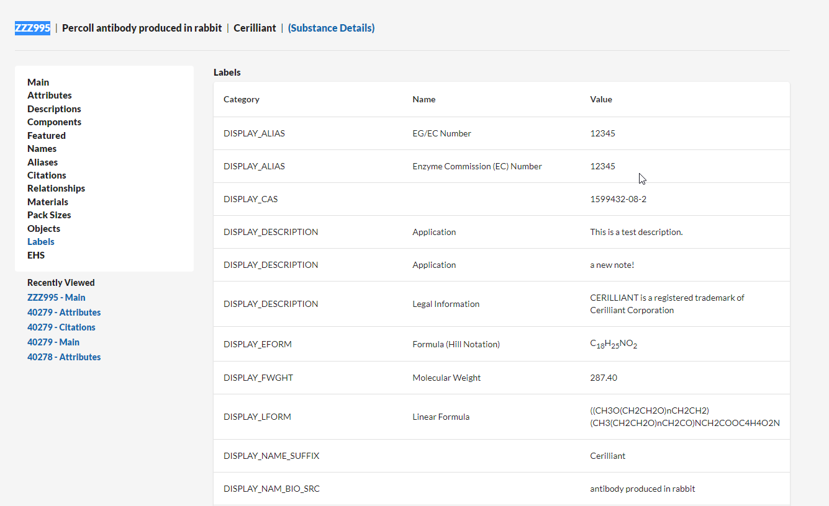
 |  | P1 = Required | Trademarks | Trademarks | learn more | If applicable; Check Trademark table to verify if a trademark exists or to add new trademarks | Batchloader / CorpBase Client (or Ticket) | Value must exist in Trademark table |  |  |  |  |  | 17 | MM | M | Millipore |  | M5 | M5 | MI
 |  | P2 = Critical |  |  |  |  |  | If value exists: Batchloader / CorpBase Client |  |  |  |  |  | 18 | IVD | I | Sigma | Not available in BatchLoader
 |  | P3 = Preferred |  |  |  |  |  | If new value must be created: Enter a ticket. |  |  |  |  |  | 19 | TRINITY | Y | Sigma | Not available in BatchLoader
 |  | STEP 4: Enter the provided product data into Batchloader/CorpBase PIM during NPI using the instructions provided |  |  |  |  |  | Typical cycle time for adding/updating trademark table is ~4 weeks; |  |  |  |  |  | 40 | CERILLIAN | C | Cerilliant |  | C2 | C2 | CE
 |  |  |  |  |  |  |  | don't just enter trademark symbols ® or ™
 | UPDATE TO THE DATA DEF JOB AID / PDP CHECKLIST
 | The data def job aid and PDP Checklists have now been combined into one file (this file). |  | Aliases | UNSPSC Code | learn more | United Nations Standard Products and Services Code (UNSPSC); | Batchloader / CorpBase Client | CorpBase batchloader "Aliases" tab, drop down type: UNSPSC code
 | Future updates to the the Data Definition job aid tab will automatically update the attributes/properties dynamic table on the PDP Checklist |  |  |  |  |  |  | can be on substance level or product level
 | This will ensure all PMs are using up to date product data recommendations during NPI and data def review
 | Please be sure to always use the latest version of this file |  | Imagery | Product image | learn more | CorpBase Graphics Object Load Template; 400 DPI or above | CorpBase Graphics Request
 |  |  |  | Image caption | learn more | Load in same CorpBase Graphics Object Load Template file, using PM provided filenames and caption text | CorpBase Graphics Request
 |  |  |  | Chemical structure | learn more | If applicable. Provide structure (ChemDraw) to structures@merckgroup.com | structures@merckgroup.com |  | Method 3: CorpBase | enter the product number and brand you want to use on the names tab and hit validate.
 |  |  |  |  |  |  |  |  | batchloader | In this case, if anything comes back green, then that product number/brand already exists.
 |  |  | Packaging | Pack size (displayed in P&A) | learn more | use Package Literals Template | CorpBase Help Desk Request | Ticket has to be submitted after Products are marked Ready in CorpBase. | (Validation) | Green=bad, product no/brand combination not in corpbase/RED=good
 |  |  |  |  |  |  |  |  |  | (Also beware the red though if it says user doesn't have permissions to update product)
 |  |  | Descriptions | Enter the following prioritized description types at a minimum; additional descriptions can be entered |  |  |  |  |  | So use the filter in the validation field - any blanks
 |  |  |  | General Description | learn more | Description type = General Description Long | Batchloader / CorpBase Client |  |  | or "user does not have permissions to edit product" those are ones that already exist)
 |  |  |  | Application |  | Description type = Application Long | Batchloader / CorpBase Client
 |  |  |  | Features & Benefits |  | Description type = Features & Benefits Long | Batchloader / CorpBase Client

 |  |  | Documentation | Product documents | learn more | Contact business-specific lead for product documents | Follow business specific process

 |  |  | Peer Reviewed Papers | Citations | learn more | use Citations Form to enter PMIDs | CorpBase Help Desk Request | JIRA ticket submitted through CB Help Desk

 |  |  | Related Products | Related products | learn more | Related to or Related from products can be added using the CorpBase batchloader or CorpBase Client | Batchloader / CorpBase Client | Other products must be created in CB

 |  |  | Digital Optimization | Keywords | learn more | Added as names, name type = keyword | Batchloader / CorpBase Client
 |  |  |  | Meta title | learn more | Added as names, name type = web meta title | Batchloader / CorpBase Client
 |  |  |  | Meta description | learn more | Added as attribute = web meta description | Batchloader / CorpBase Client
 |  |  |  | Product Category page | learn more | Provide product number + CorpBase brand + category page title | CorpBase Help Desk Request | Category Page must exist
 |  |  |  | Call to Action | learn more | See instructions and restrictions on selection | Email Request (See instructions on EVA)
 |  |  |  | Legacy Legal Entity | learn more | Default "Merck/Sigma-Aldrich" to enable Product on ALL sites. Confirm with Product Data if a different option is selected. | Merck/Sigma-Aldrich

